Table 1

Selected Acquisition Report (SAR)
RCS: DD-A&T(Q&A)823-247
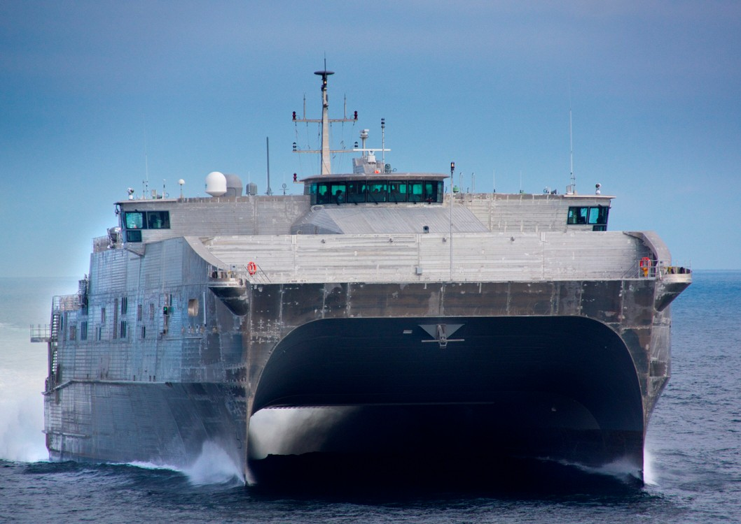
Joint High Speed Vessel (JHSV)
As of December 31, 2012
Defense Acquisition Management Information Retrieval
(DAMIR)

Table 7
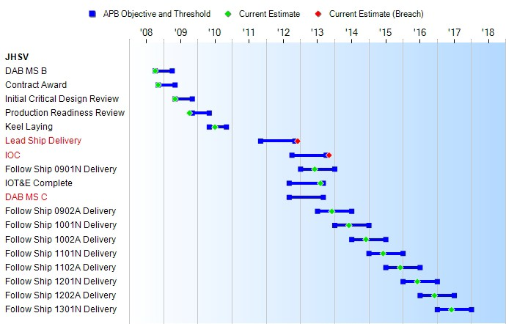
Schedule

Table 32
Unit Cost History
 |  |  |  |  |  |  | BY2008 $M |  |  |  |  | TY $M
 |  |  | Date |  |  |  | PAUC |  | APUC |  |  | PAUC |  | APUC
Original APB |  |  | FEB 2009 |  |  |  | 192.222 |  | 185.433 |  |  | 216.239 |  | 209.306
APB as of January 2006 |  |  | N/A |  |  |  | N/A |  | N/A |  |  | N/A |  | N/A
Revised Original APB |  |  | N/A |  |  |  | N/A |  | N/A |  |  | N/A |  | N/A
Prior APB |  |  | N/A |  |  |  | N/A |  | N/A |  |  | N/A |  | N/A
Current APB |  |  | FEB 2009 |  |  |  | 192.222 |  | 185.433 |  |  | 216.239 |  | 209.306
Prior Annual SAR |  |  | DEC 2011 |  |  |  | 197.990 |  | 186.100 |  |  | 218.340 |  | 206.330
Current Estimate |  |  | DEC 2012 |  |  |  | 195.190 |  | 183.630 |  |  | 217.830 |  | 206.170
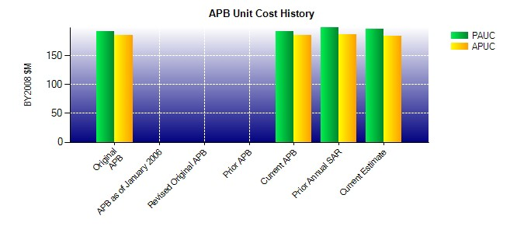
SAR Unit Cost History
Current SAR Baseline to Current Estimate (TY $M)
Initial PAUC Dev Est | Changes |  |  |  |  |  |  |  |  |  |  |  | PAUC Current Est
 | Econ | Qty |  | Sch | Eng | Est |  | Oth |  | Spt | Total
216.239 8.340 12.191 2.190 0.000 -4.340 0.000 -16.790 1.591 217.830

